Sheet1
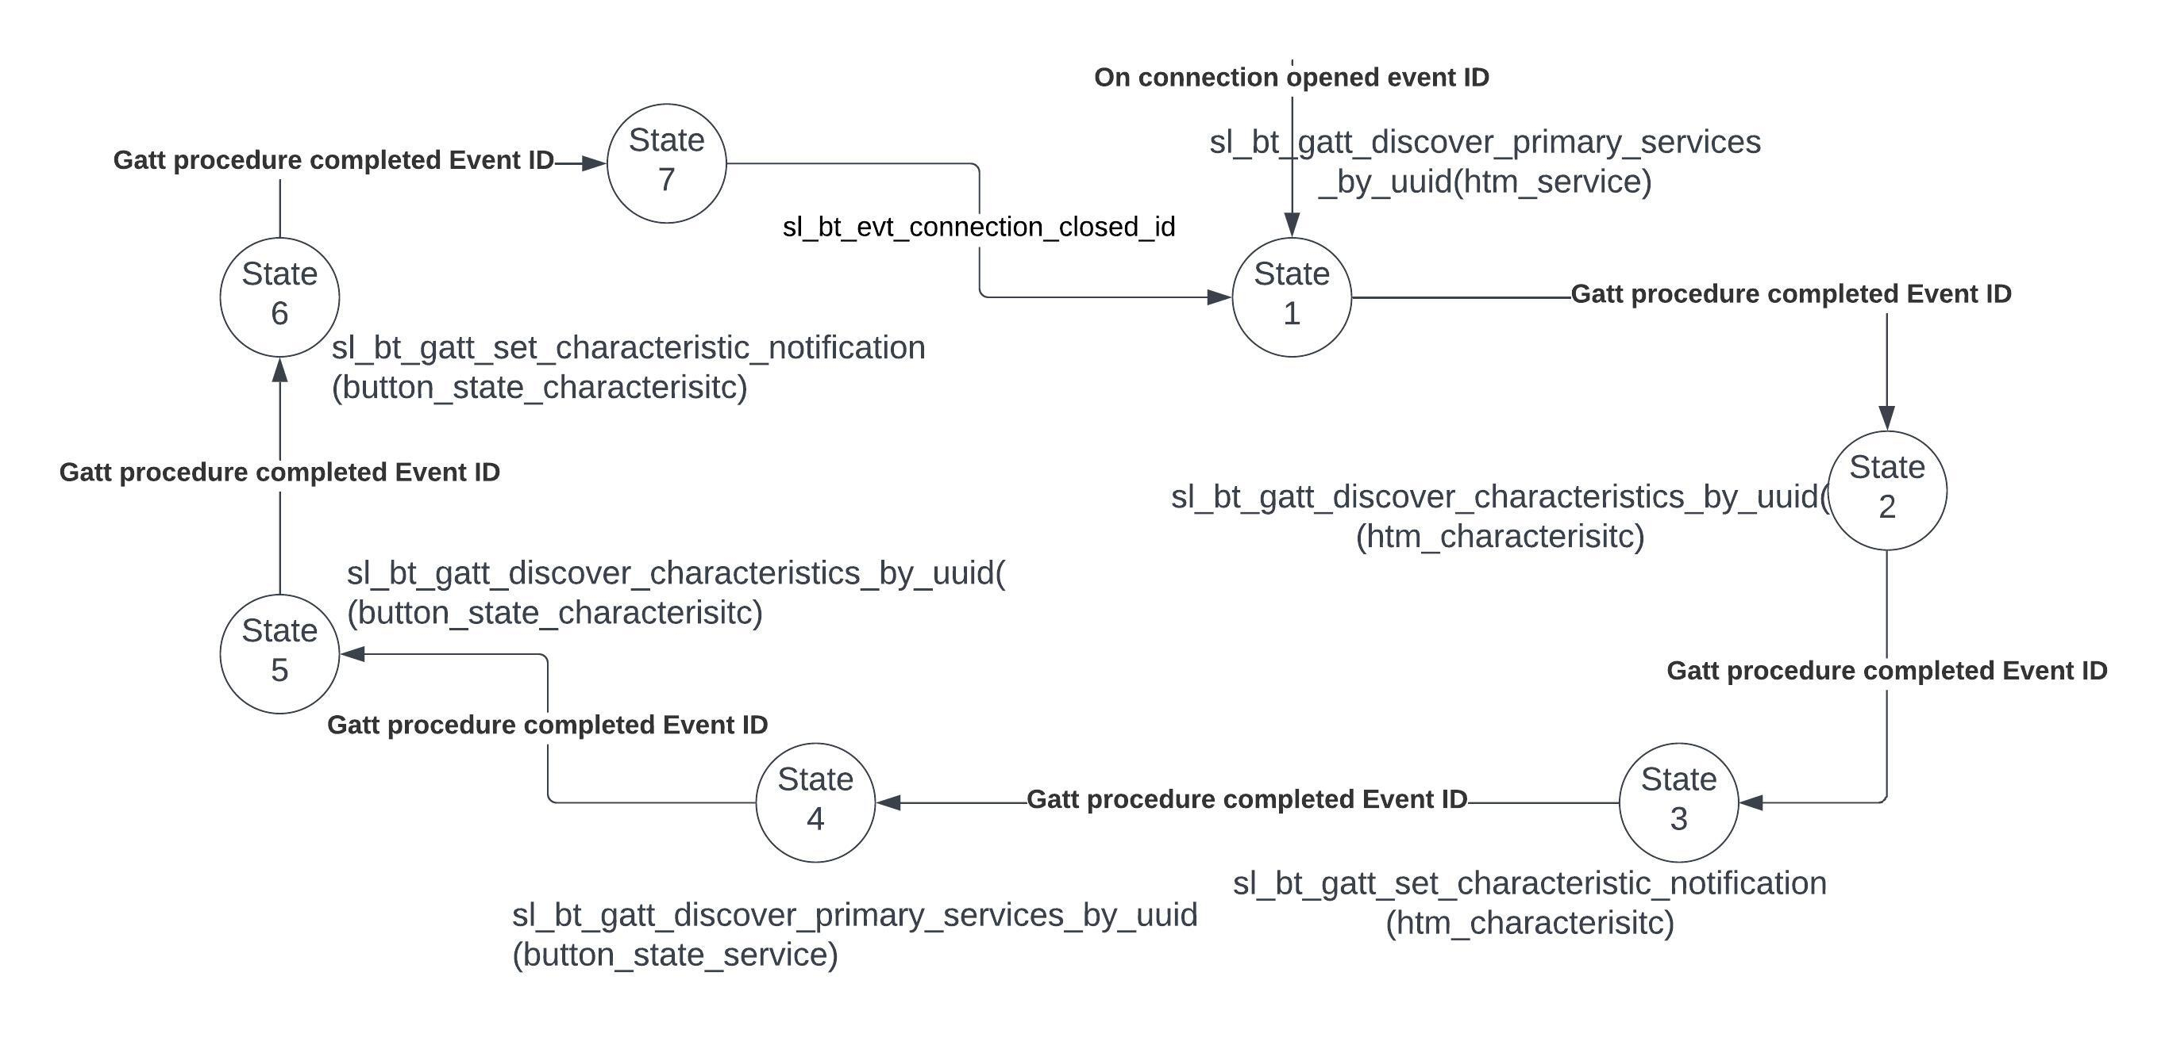
 | Client Command Table for A7

 | Use this table to help you design your program. Add rows as needed. | Use this column to describe when and what your LCD display changes to for rows like DISPLAY_ROW_CONNECTION | Use this column to denote if BT stack events cause your state machine to advance, you can put an X in the cell to note this. Drawing a bubble diagram of your state machine might also be a good idea 👍. | Commands that may be useful: sl_bt_gatt_discover_primary_services_by_uuid() sl_bt_gatt_discover_characteristics_by_uuid()
 | Event | LCD Display State | Advances State Machine | Commands called in response to event | Values to save | Notes
clients
 | sl_bt_evt_system_boot_id | displayInit(); |  | sl_bt_system_get_indentity_address() |  | You can also document in column D values that need to be saved in response to receiving BT stack events.
 |  |  |  | sl_bt_scanner_set_mode() | clear all the flags | Set phy to 1M and mode to passive scanning
 |  | DISPLAY_ROW_BTADDR- bdaddr |  | sl_bt_scanner_set_timing() |  | Set phy to 1M, scan interval to 50ms and scan window to 25ms
 |  |  |  | sl_bt_connection_set_default_parameters() |  | See the assignment document for these values
 |  | DISPLAY_ROW_ASSIGNMENT-A9 |  | sl_bt_scanner_start() |  | You should start and stop scanning just like you did with advertising for a Server.
 |  |  |  | sl_bt_sm_configure()
 |  |  |  | sl_bt_sm_delete_bondings

 | sl_bt_evt_connection_opened_id | DISPLAY_ROW_BTADDR2- server bdaddr | x | sl_bt_gatt_discover_primary_services_by_uuid() | save connection handle.

 |  | "connected"
 | sl_bt_evt_connection_closed_id | clear all the rows. | x | sl_bt_scanner_start()
 |  |  |  | sl_bt_sm_delete_bonding()
 |  |  |  | gpioLed1SetOff; gpioLed0Setoff;

 | sl_bt_evt_system_soft_timer_id |  |  | displayUpdate(); |  | This event indicates that a soft timer has expired.

 | sl_bt_evt_system_external_id |  |  | evt_button_pressed (PB1)- sl_bt_gatt_read_characterisitic_value
 |  |  |  | !bonded && pb0 (Server) - sl_bt_sm_passkey_confirm()

 | sl_bt_evt_sm_confirm_bonding_id |  |  | sl_bt_sm_bonding_confirm()

 | sl_bt_evt_sm_confirm_passkey_id | DISPLAY_ROW_PASSKEY- passkey; DISPLAY_ROW_ACTION |  |  | save the pass key

 | sl_bt_evt_sm_bonded_id | DISPLAY_ROW_CONNECTION- bonded |  |  | set bonded flag;

 | sl_bt_evt_sm_bonding_failed_id |  |  | sl_bt_connection_close()

 | sl_bt_evt_scanner_scan_report_id |  |  | sl_bt_scanner_stop() | set connection_handle. | Received for advertising or scan response packets generated by: sl_bt_scanner_start(). Is the bd_addr, packet_type and address_type what we expect for our Server? If yes: sl_bt_scanner_stop() sl_bt_connection_open()
 |  |  |  | sl_bt_connection_open()
 | sl_bt_evt_gatt_procedure_completed_id |  | x | sl_bt_gatt_discover_characteristics_by_uuid() sl_bt_gatt_set_characteristic_notification() |  | We get this event when it’s ok to call the next GATT command. It’s a good idea to check for returned error codes. This would be a great event to use to sequence your new state machine.
 |  |  |  | sl_bt_sm_increase_security() for error code- 0x110F
 | sl_bt_evt_gatt_service_id |  |  |  | Save GATT HTM, button state service handle. | A GATT service in the remote GATT database was discovered

 | sl_bt_evt_gatt_characteristic_id |  |  |  | Save GATT HTM, button state characteristic handle. | A GATT characteristic in the remote GATT database was discovered

 | sl_bt_evt_gatt_characteristic_value_id |  |  | if att_opcode == sl_bt_gatt_handle_value_indication : //read button value. sl_bt_gatt_send_characteristic_confirmation() if att_opcode == sl_bt_gatt_read_response : | send indication acknowledge. | If an indication or notification has been enabled for a characteristic, this event is triggered whenever an indication or notification is received from the remote GATT server. Is the characteristic handle and att_opcode we expect? If yes: sl_bt_gatt_send_characteristic_confirmation()

 | sl_bt_evt_sm_confirm_passkey_id | DISPLAY PASSKEY

